Intro&Instructions
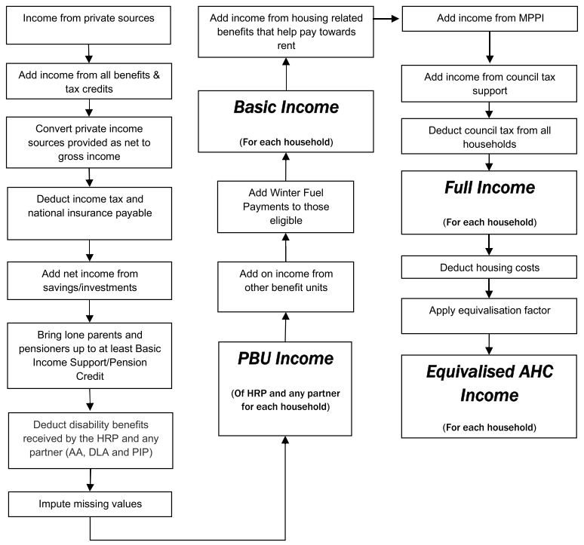
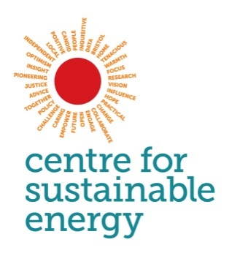
FUEL POVERTY CALCULATION TOOL 3.0
Last updated: 21/12/2021

The process of calculating fuel poverty using the old and new definitions requires some or all of the following information (depending on the definition):

• Total number of people in the household (permanent residents)
• Number of adults (aged 14 or over)
• Number of children (under 14)
• Annual total household net income (including income from benefits, tax credits and savings)
• Annual fuel costs for heating, water heating, lights, appliances and cooking
• Annual housing costs (mortgage repayments and/or rent costs; for the full details on the calculation of a 'fuel poverty income' see the diagram below)
• The EPC rating of the building

The Department for Business, Energy & Industrial Strategy (BEIS) publish an in-depth publication on the methodology used to calculate fuel poverty. This can be found here:
https://www.gov.uk/government/publications/fuel-poverty-statistics-methodology-handbook
To calculate official fuel poverty status of a household, the annual fuel costs must be those that are required to be spent in order to provide an 'adequate level of warmth' in the dwelling, as calculated by a BREDEM based energy assessment.
If you wish to use this tool to calculate whether a household is in official fuel poverty then you will need to use the total annual energy costs as calculated by an energy assessment of a dwelling. If you are using actual expenditure on fuel to determine a households fuel poverty status then you should be aware that this does not follow the official methodology for calculating fuel poverty. However, in the majority of cases (for various reasons) the amount people spend on their fuel bills will be lower than the amount required to be spent to heat homes to 'adequate' levels. Therefore, if you do use a household's actual fuel expenditure and find that that household is in fuel poverty, then it is likely that the household would also be officially in fuel poverty according to the true definition.

This spreadsheet contains three tabs:

FPCalculationForm | The FPCalculationForm tab calculates fuel poverty of individual households using the required information described above. This can be used for calculations on individual households. However, if you wish to record several households or even a whole community's fuel poverty status, then you can press the Transfer record to database button. This will export the information and results in a new row in the CommunityFuelPovertyDatabase tab. After transfering the data you can press the Clear data button to clear the form and enter new data.

CommunityFuelPovertyDatabase | This tab will contain all the exported information from the FPCalculationForm, with the most recently exported record at the top of the table.

DataCollectionForm (PRINT OFF) | This is a form that can be printed off (1 side of A4) and used to collect information to input into the FPCalculationForm tab. This includes a second page that you can choose to print, which can be used to calculate the total annual net income for a household from various sources and for different people in the household.
The different fuel poverty definitions Low Income Low Energy Efficiency The official definition in England (2021-). A household is defined as living in fuel poverty if they have a Fuel Poverty Energy Efficiency Rating (FPEER) below 68.5 (band D or below) AND if they were to spend their equivalised required fuel costs, they would be left with an equivalised income (after housing costs) below the relative low income threshold. The relative low income threshold is 60% of the national median of equivalised income (after housing costs). Low Income High Cost The former definition in England (2013-2021). A household is defined as living in fuel poverty if their equivalised required fuel costs are above the national median of equivalised required fuel costs AND if they were to spend their equivalised required fuel costs, they would be left with an equivalised income (after housing costs) below the relative low income threshold. The relative low income threshold is 60% of the national median of equivalised income (after housing costs). In the above two definitions, household fuel costs and income are equivalised. Equivalising effectively increases the incomes and fuel costs of single people, and reduces the incomes and fuel costs of larger households, with the intention of making them comparable. 10% indicator The former definition in England (-2013) before the Fuel Poverty Review by John Hills. This definition is still the official definition in Wales and Northern Ireland. A household is defined as living in fuel poverty if their required fuel costs (not equivalised) are more than 10% of their income (not equivalised and before housing costs).

The main steps in calculating equivalised income after housing costs (AHC)

